Csv Upload EASY Instructions
Indian Oil & Gas Canada Help
Release: | Dec, 2012
Exporting Gas Royalty Statement to .csv file submission
1. In the tab GRS Entry Form Enter the appropriate Gas royalty information for the well.
 | NOTE: the highlighted fields are entry fields
Save the file with the approriate new name\production month\year in excel format.

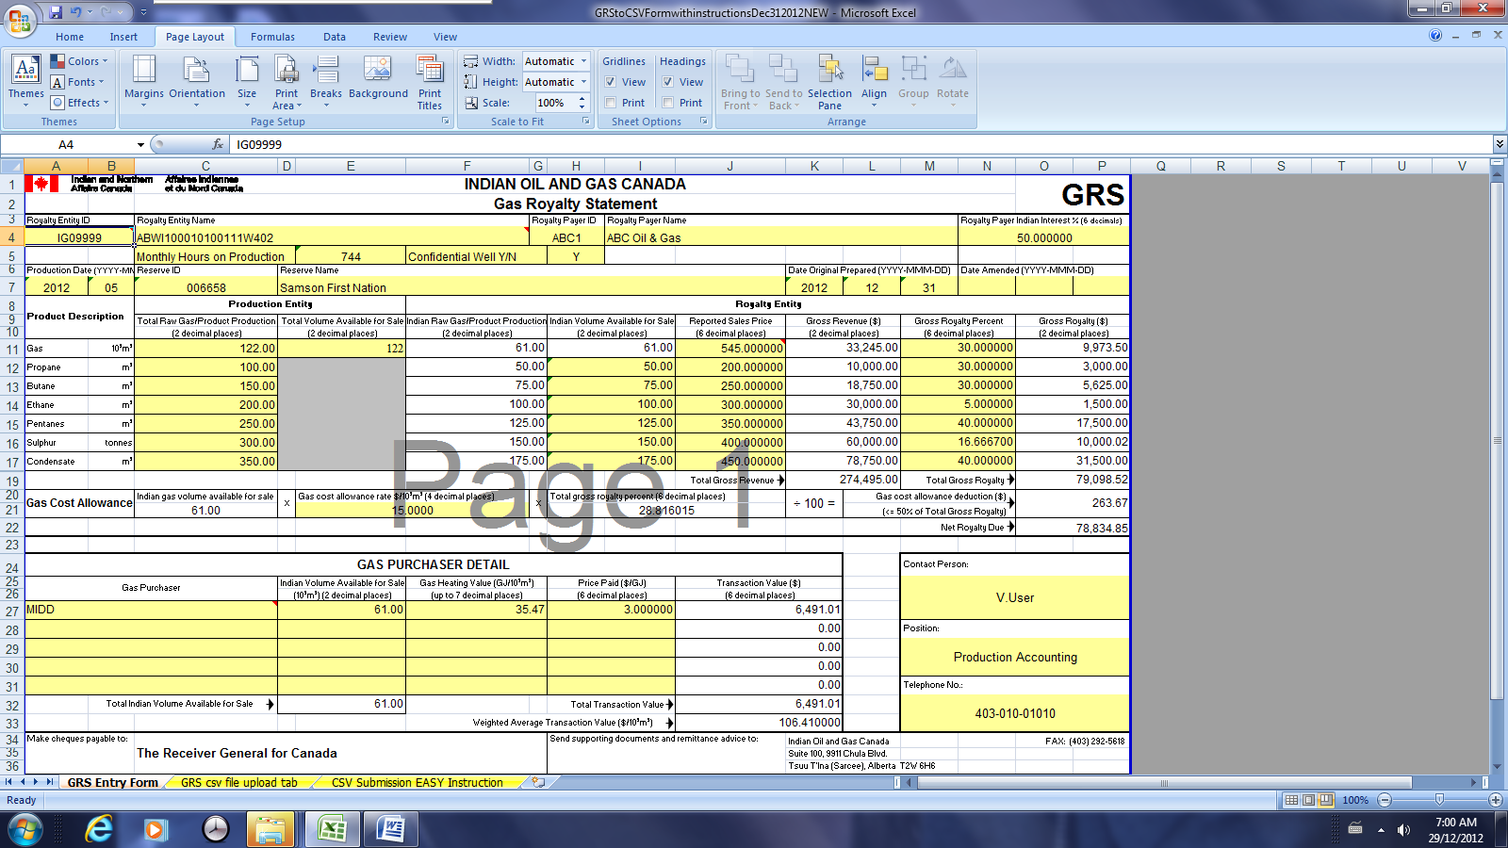

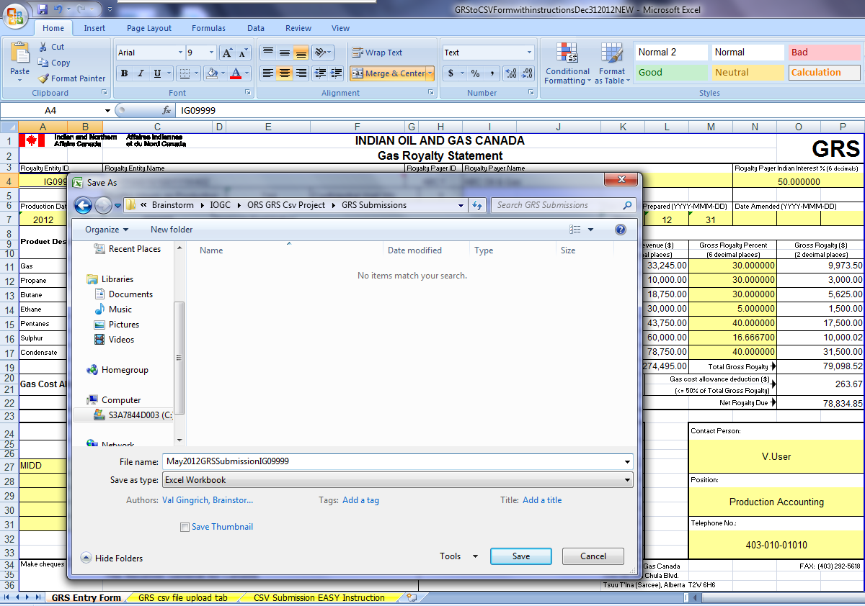

2. Once Entry is complete click on the GRS csv file tab. This tab reflects the fields required for the .csv file export conversion process Below is an example of the way your entry should appear:
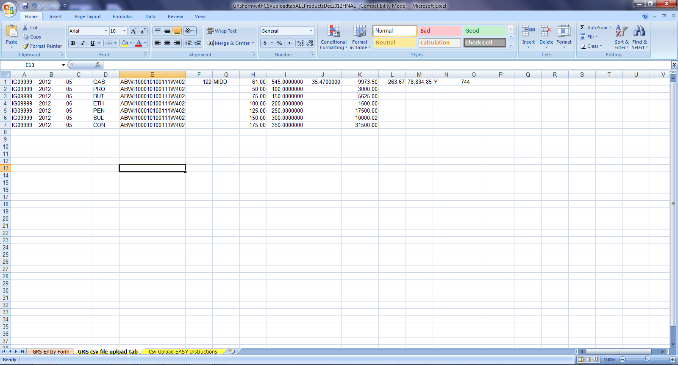

3. To save the csv file format the user must be in the "GRS csv File tab" to complete the csv file conversion process. Once in the "GRS csv file tab" click on the Windows button and choose the "Save As"
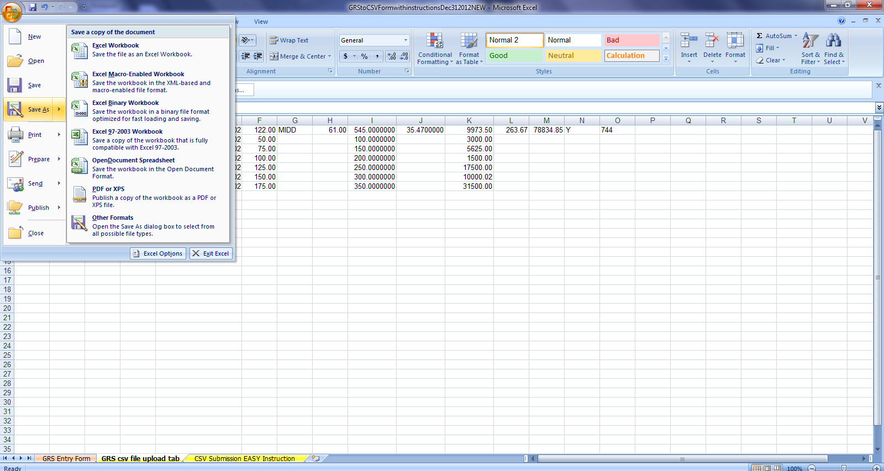

Choose the Windows Button,
then click on "Save As"

User must be in the "GRS csv file tab"

4. Once the "Save As" window pops up you must change the Save as File Type to Comma delimited.

Click the arrow for the file type to pop up file type options, find Comma delimited (csv)

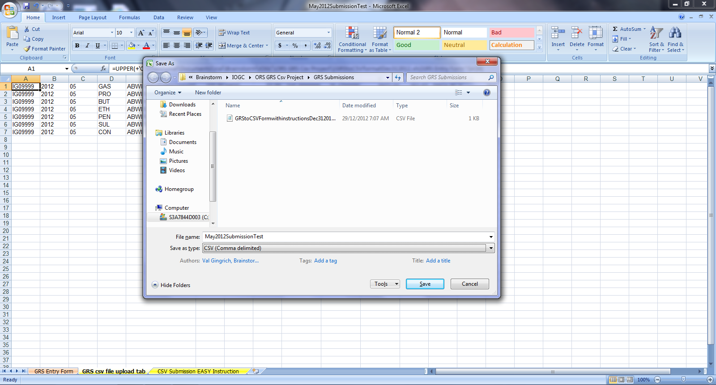

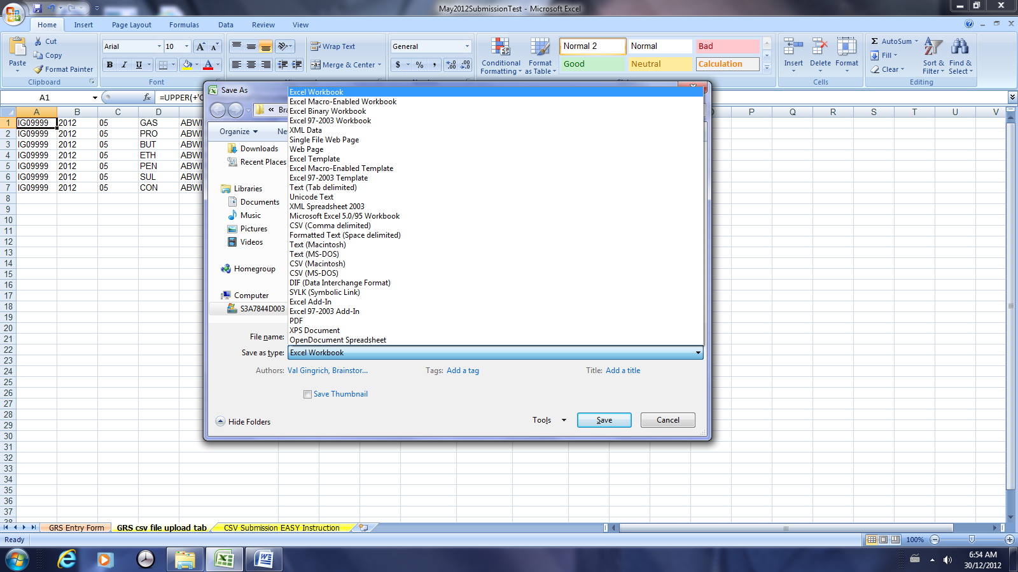

CHOOSE
"CSV(Comma delimited)"

4. (con't)
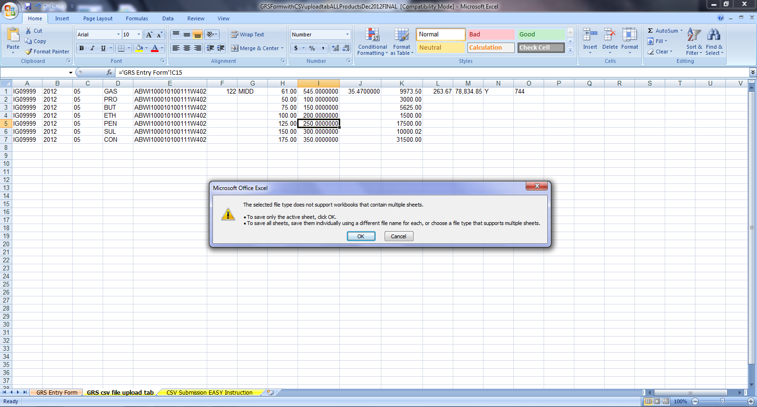

You must be in the "GRS csv tab".
Choose OK "To save only the active sheet"

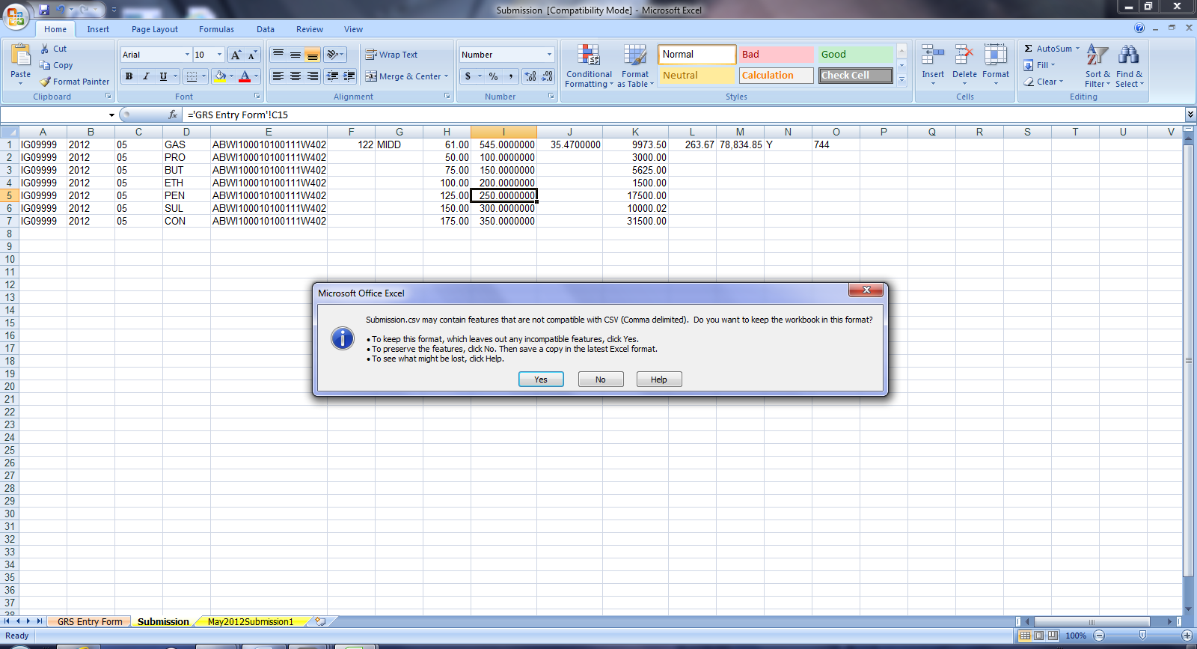

Choose the "YES" Option To Keep the format which leaves out any incompatible features.

5. You can check your .csv file export in the folder you save the file to should reflect a .csv file with the same name as the excel file saved.

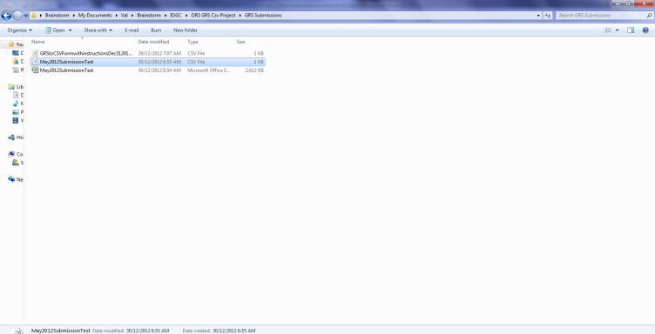
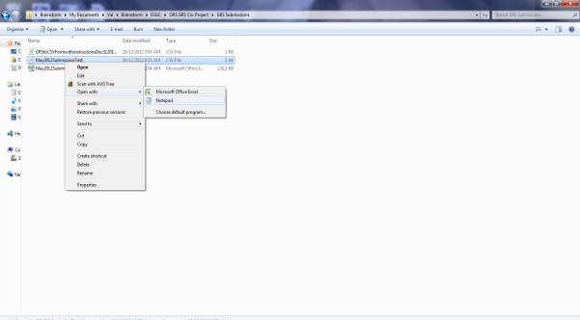

Below we have re-opended the .csv file in both excel and Notepad formats to reflect how the data will appear for upload.
The format for upload must be reflect in the following order exactly:
REN,ProdYEAR,PRODMONTH,Product,WELL UWI,Gas Sales (GAS Only),Marketer (Gas ONLY),Indian Interest Sales Available(ALL Products), Sales Price (All Products), Heat Value (Gas ONLY), Gross Royalty $ (All Products), GCA Deduction (Gas Only), Net Royalty (Gas Only), Confidential Well status (Gas only) Monthly produc tion Hours (Gas Only).

